Offer
SALES OFFER
BRAND: TRUSSARDI 1° LINEA TOT REF: 170 TOT QTY: 3775 DATE: 24/08/2023

IMAGE | GENDER | BRAND | CATEGORY | DESCRIPTION | COMPOSITION | MADE | TYPE | ITEM | SKU | COLOR | SIZE | QTY | QTY REF | WHS | RRP | BARCODE 1 | BARCODE 2 | HTS CODE
 | WOMEN | TRUSSARDI 1° LINEA | SWEATERS | POLOSHIRT WOOL AND LUREX STRIPES AND RIB | 78%Virgin wool 18%Viscose 3%Polyester 1%Po | Made in IT | SD11 | SD11TPL00001 | 36M00010 0F000028 | B110 Camel | XS | 1 | 1 | 160.00 € | 384.00 € | 8057735203284 | * | 6110.11.90
 | WOMEN | TRUSSARDI 1° LINEA | SWEATERS | V NECK W/RIB JACQ WOOL VISCOSE BLEND | 96%WO 4%VI | Made in IT | SD11 | SD11TPL00013 | 36M00050 0F000238 | V270 | L | 2 | 2 | 105.00 € | 252.00 € | 8057735760022 | * | 6110.11.90
 | WOMEN | TRUSSARDI 1° LINEA | SWEATERS | ROUND NECK JACQUARD WOOL BLEND | 89%WO 6%VI 5%AC | Made in IT | SD11 | SD11TPL00017 | 36M00059 0F000251 | W010 | S | 1 | 1 | 168.00 € | 403.00 € | 8057735760794 | * | 6110.11.90
 | WOMEN | TRUSSARDI 1° LINEA | SWEATERS | ROUND NECK MATT VISCOSE | 86%VI 14%PA | CHINA | SD11 | SU11TSJ10011 | 36M00034 0F000122 | W001 | M | 1 | 1 | 187.00 € | 449.00 € | 8057735504985 | * | 6110.30.99
 | WOMEN | TRUSSARDI 1° LINEA | SHIRTS | SHIRT WITH BOW CREPE DE CHINE | * | Made in IT | SD12 | SD12TPL00002 | 36C00009 1T000426 | K299 Black | 46 | 1 | 1 | 145.00 € | 348.00 € | 8057735188116 | * | 6202.19.00
 | WOMEN | TRUSSARDI 1° LINEA | SHIRTS | SHIRT SATIN PRINTED | * | Made in IT | SD12 | SD12TPL00003 | 36C00010 1T000424 | E050 Pearl/black | 40 | 1 | 1 | 175.00 € | 420.00 € | 8057735029372 | * | 6202.19.00
 | WOMEN | TRUSSARDI 1° LINEA | SHIRTS | BLOUSE WITHOUT SLEEVES CREPONNE SNAKE PRINT | 100% SE | Made in IT | SD12 | SD12TPL00007 | 36C00038 1T001071 | W610 yellow/pink/blue/violet | 40 | 1 | 1 | 225.00 € | 540.00 € | 8057735257591 | * | 6202.19.00
 | WOMEN | TRUSSARDI 1° LINEA | SHIRTS | BLOUSE JACQUARD SNAKE PRINT | 48%Co.28%Vi.14%Pa.7%Ea.3%Se. | Made in IT | SD12 | SD12TPL00010 | 36C00044 1T001091 | U030 Light Azure | 40 | 18 | 18 | 225.00 € | 540.00 € | 8057735256822 | * | 6202.19.00
 | WOMEN | TRUSSARDI 1° LINEA | SHIRTS | SHIRT JACQUARD SNAKE PRINT | 48%Co.28%Vi.14%Pa.7%Ea.3%Se. | Made in IT | SD12 | SD12TPL00011 | 36C00045 1T001091 | P050 Powder | 40 | 1 | 1 | 225.00 € | 540.00 € | 8057735256877 | * | 6202.19.00
 | WOMEN | TRUSSARDI 1° LINEA | SHIRTS | BLOUSE CREPE DE CHINE CHECK | * | Made in IT | SD12 | SD12TPL00012 | 36C00047 1T001101 | W602 Ivory/Blu/Red | 42 | 1 | 1 | 160.00 € | 384.00 € | 8057735503186 | * | 6202.19.00
 | WOMEN | TRUSSARDI 1° LINEA | SHIRTS | SHIRT WITH PLASTRON LINEN | * | Made in IT | SD12 | SD12TPL00013 | 36C00048 1T000907 | V060 Lilac | 42 | 1 | 1 | 75.00 € | 180.00 € | 8057735367559 | * | 6202.19.00
 | WOMEN | TRUSSARDI 1° LINEA | SHIRTS | SHIRT LINEN | 100%Linen | Made in IT | SD12 | SD12TPL00014 | 36C00049 1T000907 | V060 Lilac | 42 | 1 | 2 | 75.00 € | 180.00 € | 8057735368037 | * | 6202.19.00
 | WOMEN | TRUSSARDI 1° LINEA | SHIRTS | SHIRT LINEN | 100%Linen | Made in IT | SD12 | SD12TPL00014 | 36C00049 1T000907 | V060 Lilac | 44 | 1 |  | 75.00 € | 180.00 € | 8057735368013 | * | 6202.19.00
 | WOMEN | TRUSSARDI 1° LINEA | SHIRTS | BLOUSE BURLON JACQUARD | 70%AC 30%PL | Made in IT | SD12 | SD12TPL00015 | 36C00051 1T000942 | W002 Natural | 38 | 2 | 7 | 125.00 € | 300.00 € | 8057735503216 | * | 6202.19.00
 | WOMEN | TRUSSARDI 1° LINEA | SHIRTS | BLOUSE BURLON JACQUARD | 70%AC 30%PL | Made in IT | SD12 | SD12TPL00015 | 36C00051 1T000942 | W002 Natural | 40 | 4 |  | 125.00 € | 300.00 € | 8057735257195 | * | 6202.19.00
 | WOMEN | TRUSSARDI 1° LINEA | SHIRTS | BLOUSE BURLON JACQUARD | 70%AC 30%PL | Made in IT | SD12 | SD12TPL00015 | 36C00051 1T000942 | W002 Natural | 42 | 1 |  | 125.00 € | 300.00 € | 8057735503223 | * | 6202.19.00
 | WOMEN | TRUSSARDI 1° LINEA | SHIRTS | BLOUSE CREPE DE CHINE | * | Made in IT | SD12 | SD12TPL00018 | 36C00065 1T001874 | B210 Cognac | 40 | 1 | 1 | 160.00 € | 384.00 € | 8057735777198 | * | 6202.19.00
 | WOMEN | TRUSSARDI 1° LINEA | SHIRTS | REGIMENTAL SHIRT KUROKI LIGHT WASHED | 100%CO | Made in IT | SD12 | SD12TPL00019 | 36C00012 1T000465 | U280 | 46 | 1 | 1 | 139.00 € | 334.00 € | 8057735199891 | * | 6206.30.00
 | WOMEN | TRUSSARDI 1° LINEA | SHIRTS | BLOUSE V NECK CADY | 71%AC 29%VI | Made in IT | SD12 | SD12TPL00021 | 36C00024 1T000427 | U280 | 42 | 1 | 1 | 153.00 € | 367.00 € | 8057735489855 | * | 6206.40.00
 | WOMEN | TRUSSARDI 1° LINEA | SHIRTS | BLOUSE V NECK CADY | 71%AC 29%VI | Made in IT | SD12 | SD12TPL00021 | 36C00024 1T000427 | B110 | 42 | 1 | 1 | 153.00 € | 367.00 € | 8057735489800 | * | 6206.40.00
 | WOMEN | TRUSSARDI 1° LINEA | SHIRTS | SHIRT WITH TIE CREPE PRINTED | 100%SI | Made in IT | SD12 | SD12TPL00023 | 36C00032 1T000944 | R150 | 38 | 15 | 16 | 168.00 € | 403.00 € | 8057735491544 | * | 6206.10.00
 | WOMEN | TRUSSARDI 1° LINEA | SHIRTS | SHIRT WITH TIE CREPE PRINTED | 100%SI | Made in IT | SD12 | SD12TPL00023 | 36C00032 1T000944 | R150 | 40 | 1 |  | 168.00 € | 403.00 € | 8057735256037 | * | 6206.10.00
 | WOMEN | TRUSSARDI 1° LINEA | SHIRTS | BLOUSE CREPE DE CHINE | 100%SI | Made in IT | SD12 | SD12TPL00024 | 36C00043 1T000426 | U280 | 42 | 1 | 1 | 120.00 € | 288.00 € | 8057735490530 | * | 6206.10.00
 | WOMEN | TRUSSARDI 1° LINEA | SHIRTS | SHIRT PRINTED CREPE DE CHINE | 100%SI | Made in IT | SD12 | SD12TPL00026 | 36C00057 1T001907 | R150 | 38 | 1 | 1 | 168.00 € | 403.00 € | 8057735776757 | * | 6206.10.00
 | WOMEN | TRUSSARDI 1° LINEA | SHIRTS | SHIRT PRINTED CREPE DE CHINE | 100%SI | Made in IT | SD12 | SD12TPL00027 | 36C00058 1T001913 | U280 | 44 | 1 | 1 | 168.00 € | 403.00 € | 8057735776900 | * | 6206.10.00
 | WOMEN | TRUSSARDI 1° LINEA | SCARVES | SCARF STRIPED PITON PRINT LABEL JACQUARD | 100% SETA | Made in IT | SD19 | SD19TPL00003 | 36Z00006 2Y000106 | P601 Pink/Yellow/Lilla | UNI | 19 | 19 | 70.00 € | 168.00 € | 8057735242269 | * | 6214.30.00
 | WOMEN | TRUSSARDI 1° LINEA | SCARVES | SCARF MONOGRAM PRINT TRUSSARDI | 100%Silk | Made in IT | SD19 | SD19TPL00004 | 36Z00007 2Y000108 | G050 Lattementa | UNI | 100 | 100 | 65.00 € | 156.00 € | 8057735242283 | * | 6214.30.00
...
IMAGE | GENDER | BRAND | CATEGORY | DESCRIPTION | COMPOSITION | MADE
 | WOMEN | TRUSSARDI 1° LINEA | COATS | SHORT COAT SATIN | 96%CO 4%PA | Made in IT
 | WOMEN | TRUSSARDI 1° LINEA | COATS | SHORT COAT SATIN | 96%CO 4%PA | Made in IT
 | WOMEN | TRUSSARDI 1° LINEA | COATS | COAT CLOTH OF WOOL/MOHAIR | * | Made in IT
 | WOMEN | TRUSSARDI 1° LINEA | COATS | DOUBLE BREASTED COAT GABARDINE | 55%CO 45%VI | Made in IT
 | WOMEN | TRUSSARDI 1° LINEA | BLAZERS | SHORT JACKET GABARDINE STRETCH | 88%CO 12%SE | Made in IT
 | WOMEN | TRUSSARDI 1° LINEA | BLAZERS | SHORT JACKET GABARDINE STRETCH | 88%CO 12%SE | Made in IT
 | WOMEN | TRUSSARDI 1° LINEA | BLAZERS | JACKET JACQUARD | 49%PL 39%CO 7%PA 5%PC | Made in IT
 | WOMEN | TRUSSARDI 1° LINEA | BLAZERS | BLAZER WOOL TWEED | * | Made in IT
 | WOMEN | TRUSSARDI 1° LINEA | BLAZERS | JACKET WITH HOOD REAL DUVET NYLON MEMORY WR + CLOTH OF WOOL/ALPACA | 75%WO 25%PA | Made in IT
 | WOMEN | TRUSSARDI 1° LINEA | BLAZERS | TWO BUTTONS JACKET | 100%WV | Made in IT
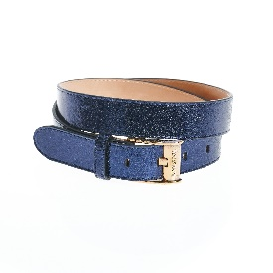 | WOMEN | TRUSSARDI 1° LINEA | BELTS | BELT CRACKLE' LAMINATED CALF LEATHER | 100% LT | Made in IT
 | WOMEN | TRUSSARDI 1° LINEA | BELTS | BELT DOLLAR CALF LEATHER BUCKLE MOCK ROLL | 100% LT | Made in IT
 | WOMEN | TRUSSARDI 1° LINEA | BELTS | BELT NEVADA ROLL LEATHER | 100%LT | Made in IT
 | WOMEN | TRUSSARDI 1° LINEA | BELTS | BELT WOMAN SUEDE/CALF LEATHER | 100%LT | Made in IT
 | WOMEN | TRUSSARDI 1° LINEA | WALLETS | MINI WALLET CALF LEATHER TRESOR LINED GREYHOUND SNAIL | 100%Leather | Made in IT
 | WOMEN | TRUSSARDI 1° LINEA | WALLETS | MINI WALLET VELVET CALF LEATHER GREYHOUND SNAIL | * | Made in IT
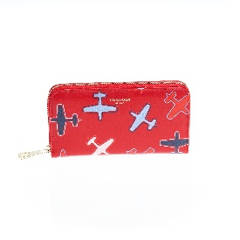 | WOMEN | TRUSSARDI 1° LINEA | WALLETS | ZIP AROUND WALLET SMOOTH CALF LEATHER W/ RANDOM PLANES PRINT/TRESOR CALF LEATHER | 100%Leather | Made in IT
 | WOMEN | TRUSSARDI 1° LINEA | WALLETS | ZIP AROUND WALLET SMOOTH CALF LEATHER W/ RANDOM PLANES PRINT/TRESOR CALF LEATHER | 100%Leather | Made in IT
 | WOMEN | TRUSSARDI 1° LINEA | WALLETS | ZIP AROUND WALLET CREPE LEATHER W/ PLANES PRINT/TRESOR CALF LEATHER | 100%Leather | Made in IT
 | WOMEN | TRUSSARDI 1° LINEA | WALLETS | ZIP AROUND WALLET CREPE LEATHER W/ PLANES PRINT/TRESOR CALF LEATHER | 100%Leather | Made in IT
 | WOMEN | TRUSSARDI 1° LINEA | WALLETS | MINI WALLET CALF LEATHER WILLER | 100%Leather | Made in IT
 | WOMEN | TRUSSARDI 1° LINEA | WALLETS | MINI WALLET CALF LEATHER WILLER | 100%Leather | Made in IT
 | WOMEN | TRUSSARDI 1° LINEA | WALLETS | WALLET ZIP AROUND MEDIUM CALF LEATHER CREPE LETTERING METALLO | 100%Leather | Made in IT
 | WOMEN | TRUSSARDI 1° LINEA | WALLETS | WALLET ZIP AROUND MEDIUM CALF LEATHER CREPE LETTERING METALLO | 100%Leather | Made in IT
 | WOMEN | TRUSSARDI 1° LINEA | WALLETS | WALLET ZIP AROUND MEDIUM CALF LEATHER CREPE LETTERING METALLO | 100%Leather | Made in IT
 | WOMEN | TRUSSARDI 1° LINEA | WALLETS | MATELASSE CONTINENTAL WALLET QUILTED SENNA NAPPA/SENNA NAPPA SMOOTH | 100%Leather | Made in IT
 | WOMEN | TRUSSARDI 1° LINEA | WALLETS | MATELASSE CONTINENTAL WALLET QUILTED SENNA NAPPA/SENNA NAPPA SMOOTH | 100%Leather | Made in IT
...
IMAGE | GENDER | BRAND | CATEGORY | DESCRIPTION | COMPOSITION | MADE
 | WOMEN | TRUSSARDI 1° LINEA | BAGS | ENVELOPE / POCHETTE CALF LEATHER ORIENTE | 100%Leather | Made in IT
 | WOMEN | TRUSSARDI 1° LINEA | BAGS | ENVELOPE / POCHETTE CALF LEATHER ORIENTE | 100%Leather | Made in IT
 | WOMEN | TRUSSARDI 1° LINEA | BAGS | ENVELOPE / POCHETTE DOTTED ELAPHE/TRESOR CALF LEATHER | 100%Leather | Made in IT
 | WOMEN | TRUSSARDI 1° LINEA | BAGS | ENVELOPE / POCHETTE DOTTED ELAPHE/TRESOR CALF LEATHER | 100%Leather | Made in IT
 | WOMEN | TRUSSARDI 1° LINEA | BAGS | ENVELOPE POCHETTE MONOGRAM STRIPES/VELVET CALF LEATHER | 100%PL | Made in IT
 | WOMEN | TRUSSARDI 1° LINEA | BAGS | SHOULDER BAG CALF LEATHER JOI COLOR / CALF LEATHER ORIENT | 100%Leather | Made in IT
 | WOMEN | TRUSSARDI 1° LINEA | BAGS | SHOULDER BAG CALF LEATHER TRESOR / CALF LEATHER CRACLE | 100%Leather | Made in IT
 | WOMEN | TRUSSARDI 1° LINEA | BAGS | SHOULDER BIFACE BAG PRINTED PHITON/ CALF LEATHER CORSARO / TRESOR | 100%LT | Made in IT
 | MEN | TRUSSARDI 1° LINEA | SWEATERS | POLO SHIRT CASHEMIRE SILK BLEND | * | Made in PRC
 | MEN | TRUSSARDI 1° LINEA | SWEATERS | CARDIGAN BUTTONS CASHEMIRE SILK BLEND | 70%WS 30%SE | Made in PRC
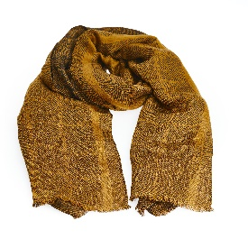 | MEN | TRUSSARDI 1° LINEA | SCARVES | SCARF CHECK PRINT TRUSSARDI JACQUARD | 84%Vi 16%Si | Made in IT
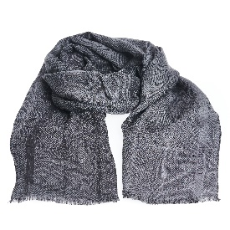 | MEN | TRUSSARDI 1° LINEA | SCARVES | SCARF CHECK PRINT TRUSSARDI JACQUARD | 84%Vi 16%Si | Made in IT
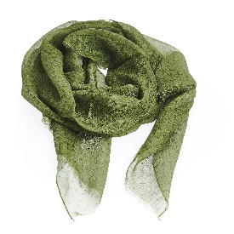 | MEN | TRUSSARDI 1° LINEA | SCARVES | SCARF MONOGRAM ALL OVER | 50%MD 42%Flax-Linen 8%SI | Made in IT
 | MEN | TRUSSARDI 1° LINEA | SUITS | ELEGANCE SUIT | 100%Wool | Made in Albania
 | MEN | TRUSSARDI 1° LINEA | SUITS | ELEGANCE SUIT | 100% Wool | Made in Albania
 | MEN | TRUSSARDI 1° LINEA | SUITS | ELEGANCE SUIT | 100% Wool | Made in Albania
 | MEN | TRUSSARDI 1° LINEA | COATS | COAT REGULAR FIT CHECK CLOTH | * | Made in IT
 | MEN | TRUSSARDI 1° LINEA | BLAZERS | GIACCA UOMO SARTORIALE DECOST. IETR49763 LARDINI | * | Made in AL
 | MEN | TRUSSARDI 1° LINEA | BLAZERS | GIACCA UOMO SARTORIALE DECOST. IETR49763 LARDINI | * | Made in AL
 | MEN | TRUSSARDI 1° LINEA | BLAZERS | DOUBLE BREASTED JACKET SLIM FIT WAFER COTTON COMFORT | 99%Wv 1%Ea | Made in IT
 | MEN | TRUSSARDI 1° LINEA | BLAZERS | DOUBLE BREASTED JACKET SLIM FIT WAFER COTTON COMFORT | 99%Wv 1%Ea | Made in IT
 | MEN | TRUSSARDI 1° LINEA | BLAZERS | DOUBLE BREASTED JACKET SLIM FIT WAFER COTTON COMFORT | 99%Wv 1%Ea | Made in IT
 | MEN | TRUSSARDI 1° LINEA | BLAZERS | JACKET SMOKING | * | Made in AL
...
IMAGE | GENDER | BRAND | CATEGORY | DESCRIPTION | COMPOSITION | MADE
 | MEN | TRUSSARDI 1° LINEA | OTHERS | FASHION CARD HOLDER CALF LEATHER RIVIERA DI CURTIBA | 100%Leather | Made in IT
 | MEN | TRUSSARDI 1° LINEA | OTHERS | FASHION POUCH CALF LEATHER RIVIERA DI CURTIBA | 100%Leather | Made in IT
 | MEN | TRUSSARDI 1° LINEA | OTHERS | FASHION POUCH CALF LEATHER RIVIERA DI CURTIBA | 100%Leather | Made in IT
 | MEN | TRUSSARDI 1° LINEA | OTHERS | FASHION BADGE HOLDER CALF LEATHER RIVIERA DI CURTIBA | 100%Leather | Made in IT
 | MEN | TRUSSARDI 1° LINEA | OTHERS | FASHION BADGE HOLDER CALF LEATHER RIVIERA DI CURTIBA | 100%Leather | Made in IT
 | MEN | TRUSSARDI 1° LINEA | OTHERS | FASHION CREDIT CARD WALLET CALF LEATHER RIVIERA DI CURTIBA | 100%LT | Made in IT
 | MEN | TRUSSARDI 1° LINEA | OTHERS | URBAN CREDIT CARD WALLET CALF LEATHER RIVIERA DI CURTIBA | 100%LT | Made in IT
 | MEN | TRUSSARDI 1° LINEA | OTHERS | URBAN CARD HOLDER MEDIUM WALLET CALF LEATHER RIVIERA DI CURTIBA | 100%LT | Made in IT
 | MEN | TRUSSARDI 1° LINEA | OTHERS | MONOGRAM CARD HOLDER REGULAR SIZE WALLET ARCHITECTURAL CRESPO MONOGRAM/RIVIERA CALFSKIN | 72%PVC 14%PL 12%CO 2%PU | Made in IT
 | MEN | TRUSSARDI 1° LINEA | OTHERS | MONOGRAM CARD HOLDER REGULAR SIZE WALLET ARCHITECTURAL CRESPO MONOGRAM/RIVIERA CALFSKIN | 72%PVC 14%PL 12%CO 2%PU | Made in IT
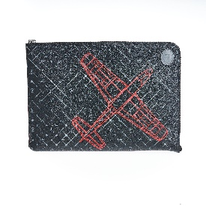 | MEN | TRUSSARDI 1° LINEA | OTHERS | LAPTOP CASE CALF LEATHER | 100%Leather | ITALY
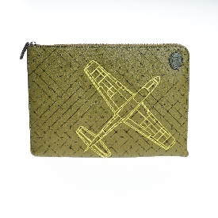 | MEN | TRUSSARDI 1° LINEA | OTHERS | LAPTOP CASE CALF LEATHER | 100%Leather | ITALY
 | MEN | TRUSSARDI 1° LINEA | BAGS | BRIEFCASE DOUBLE ZIPPER MONOGRAM CREPE/SMOOTH JOLIE CALF LEATHER | 100%Leather | Made in IT
 | MEN | TRUSSARDI 1° LINEA | BAGS | BRIEFCASE MONO ZIPPER CALF LEATHER WILLER | 100%Leather | Made in IT
 | MEN | TRUSSARDI 1° LINEA | BAGS | REPORTER CALF LEATHER WILLER | 100% LT | Made in IT
 | MEN | TRUSSARDI 1° LINEA | BAGS | SHOPPING MONOGRAM CREPE/SMOOTH JOLIE CALF LEATHER | 100% LT | Made in IT
 | MEN | TRUSSARDI 1° LINEA | BAGS | BIG POUCH MONOGRAM CREPE/SMOOTH JOLIE CALF LEATHER | 100%Leather | Made in IT
 | MEN | TRUSSARDI 1° LINEA | BAGS | SMALL POUCH MONOGRAM CREPE/SMOOTH JOLIE CALF LEATHER | 100% LT | Made in IT
 | MEN | TRUSSARDI 1° LINEA | BAGS | BACKPACK MULTI POCKETS HIGH TECH ALIAS SOFT/TRESOR CALF LEATHER | 100%Leather | Made in IT
 | MEN | TRUSSARDI 1° LINEA | BAGS | BACKPACK CREPE LEATHER/TRESOR CALF LEATHER | 100%Leather | Made in IT
 | MEN | TRUSSARDI 1° LINEA | BAGS | CROSSBODY BAG | 100%Leather | Made in IT
 | MEN | TRUSSARDI 1° LINEA | BAGS | MESSENGER HIGH TECH ALIAS SOFT/TRESOR CALF LEATHER | 100%LT | Made in IT
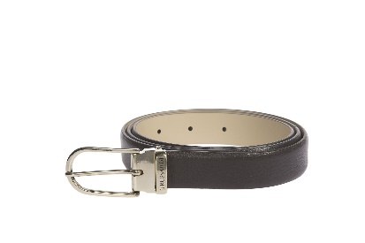 | WOMEN | TRUSSARDI | BELTS | BELT | 100%LT | IT
 | WOMEN | TRUSSARDI | BELTS | BELT | 100%LT | IT
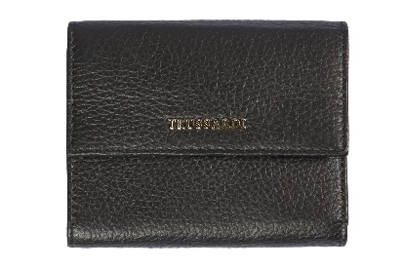 | WOMEN | TRUSSARDI | WALLETS | WALLET | 100%LT | IT
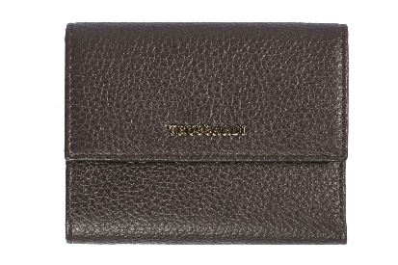 | WOMEN | TRUSSARDI | WALLETS | WALLET | 100%LT | IT
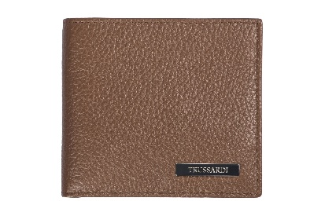 | WOMEN | TRUSSARDI | WALLETS | WALLET | 100%LT | IT
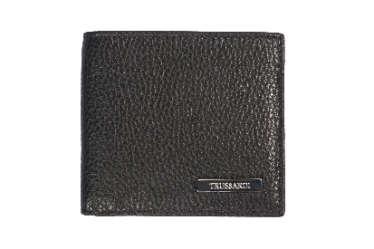 | WOMEN | TRUSSARDI | WALLETS | WALLET | 100%LT | IT
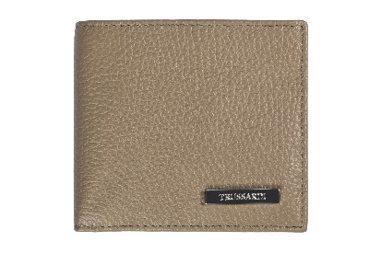 | WOMEN | TRUSSARDI | WALLETS | WALLET | 100%LT | IT
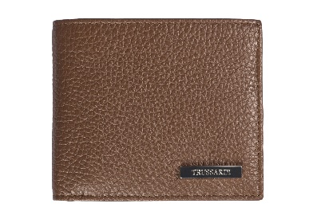 | WOMEN | TRUSSARDI | WALLETS | WALLET | 100%LT | IT
 | WOMEN | TRUSSARDI | BAGS | BAG | 100%LT | IT

